Sheet1
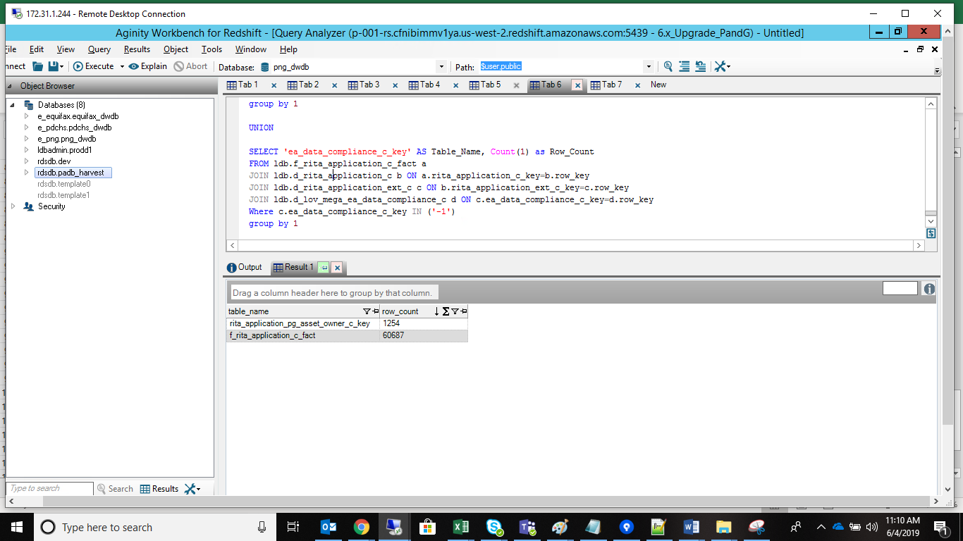
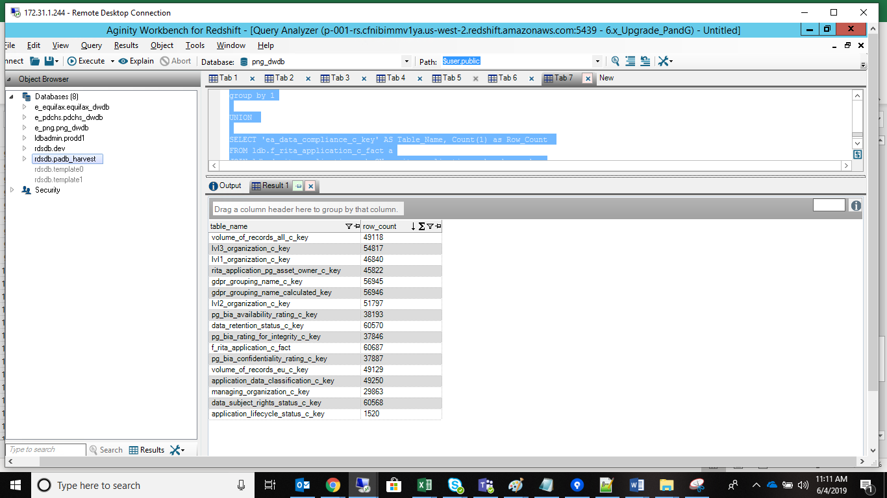
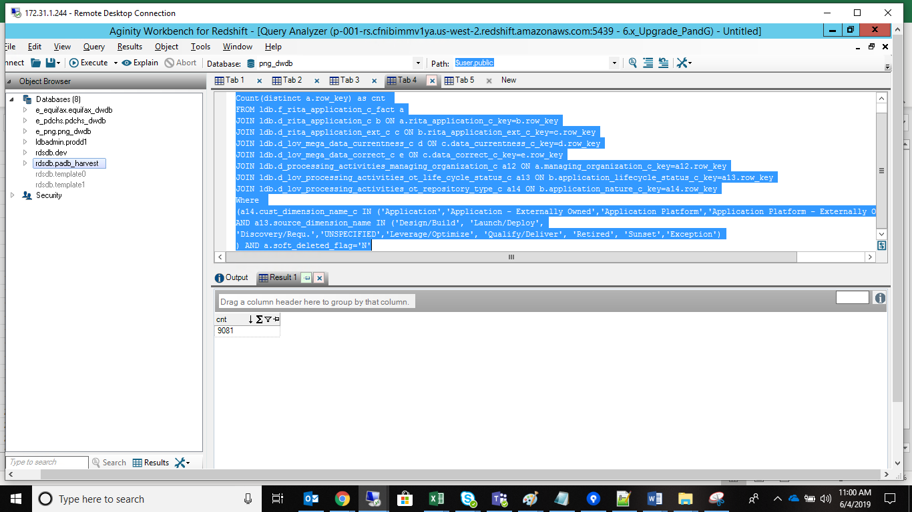
 |  | cube Filter Query
SELECT Count(distinct a.row_key) as cnt FROM ldb.f_rita_application_c_fact a JOIN ldb.d_rita_application_c b ON a.rita_application_c_key=b.row_key JOIN ldb.d_rita_application_ext_c c ON b.rita_application_ext_c_key=c.row_key JOIN ldb.d_lov_mega_data_currentness_c d ON c.data_currentness_c_key=d.row_key JOIN ldb.d_lov_mega_data_correct_c e ON c.data_correct_c_key=e.row_key JOIN ldb.d_processing_activities_managing_organization_c a12 ON a.managing_organization_c_key=a12.row_key JOIN ldb.d_lov_processing_activities_ot_life_cycle_status_c a13 ON b.application_lifecycle_status_c_key=a13.row_key JOIN ldb.d_lov_processing_activities_ot_repository_type_c a14 ON b.application_nature_c_key=a14.row_key Where (a14.cust_dimension_name_c IN ('Application','Application - Externally Owned','Application Platform','Application Platform - Externally Owned') AND a13.source_dimension_name IN ('Design/Build', 'Launch/Deploy', 'Discovery/Requ.','UNSPECIFIED','Leverage/Optimize', 'Qualify/Deliver', 'Retired', 'Sunset','Exception') ) AND a.soft_deleted_flag='N'

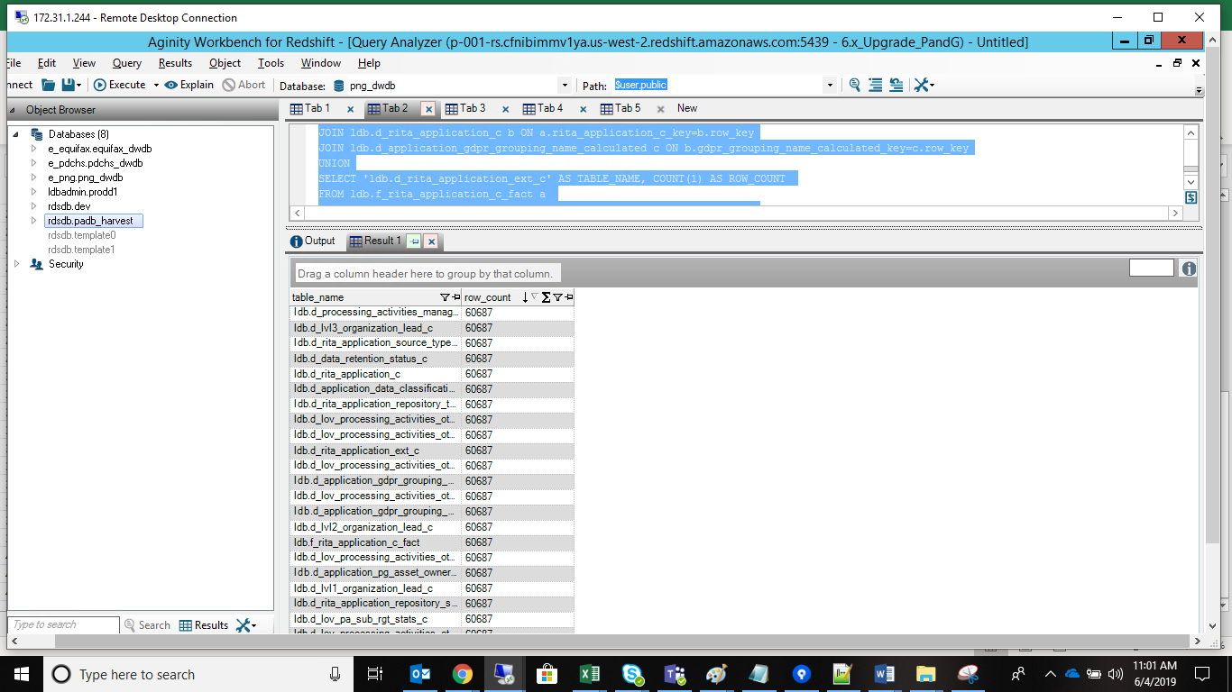
 |  | Cube Query
/* Tables Accessed: d_application_data_classification_c d_application_gdpr_grouping_name_c d_application_pg_asset_owner_c d_application_pg_data_privacy_c d_lov_processing_activities_ot_eu_data_stakeholders_c d_lov_processing_activities_ot_life_cycle_status_c d_lov_processing_activities_ot_pg_users_c d_lov_processing_activities_ot_repository_type_c d_lov_processing_activities_ot_third_party_users_c d_lov_processing_activities_ot_volume_of_records_c d_lvl1_organization_lead_c d_lvl2_organization_lead_c d_lvl3_organization_lead_c d_processing_activities_managing_organization_c d_rita_application_c f_rita_application_c_fact */ SELECT 'ldb.f_rita_application_c_fact' AS TABLE_NAME, COUNT(1) AS ROW_COUNT FROM ldb.f_rita_application_c_fact a11 UNION SELECT 'ldb.d_rita_application_c' AS TABLE_NAME, COUNT(1) AS ROW_COUNT FROM ldb.f_rita_application_c_fact a11 JOIN ldb.d_rita_application_c a12 ON a11.rita_application_c_key=a12.row_key UNION SELECT 'ldb.d_lov_processing_activities_ot_volume_of_records_c' AS TABLE_NAME, COUNT(1) AS ROW_COUNT FROM ldb.f_rita_application_c_fact a11 JOIN ldb.d_rita_application_c a12 ON a11.rita_application_c_key=a12.row_key JOIN ldb.d_lov_processing_activities_ot_volume_of_records_c a13 ON a12.volume_of_records_all_c_key=a13.row_key UNION SELECT 'ldb.d_lov_processing_activities_ot_third_party_users_c' AS TABLE_NAME, COUNT(1) AS ROW_COUNT FROM ldb.f_rita_application_c_fact a11 JOIN ldb.d_rita_application_c a12 ON a11.rita_application_c_key=a12.row_key JOIN ldb.d_lov_processing_activities_ot_third_party_users_c a13 ON a12.application_total_3rd_party_with_access_c_key=a13.row_key UNION SELECT 'ldb.d_lov_processing_activities_ot_repository_type_c' AS TABLE_NAME, COUNT(1) AS ROW_COUNT FROM ldb.f_rita_application_c_fact a11 JOIN ldb.d_rita_application_c a12 ON a11.rita_application_c_key=a12.row_key JOIN ldb.d_lov_processing_activities_ot_repository_type_c a13 ON a12.application_nature_c_key=a13.row_k

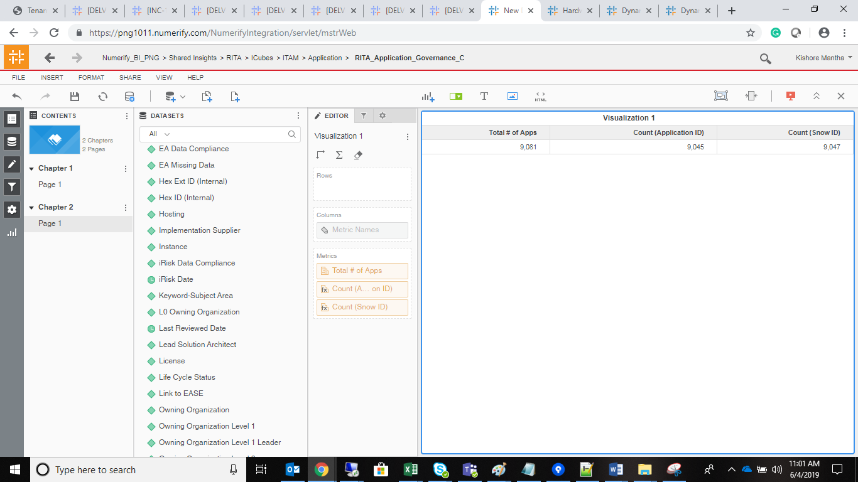
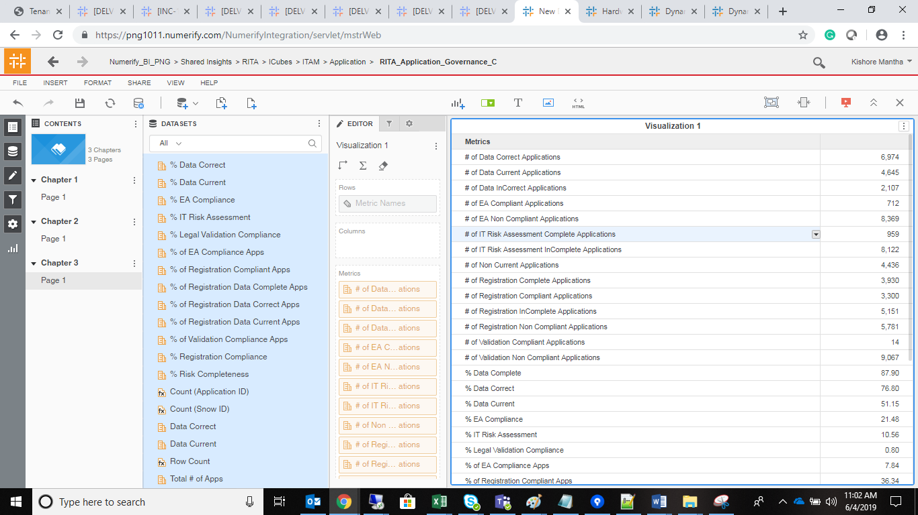

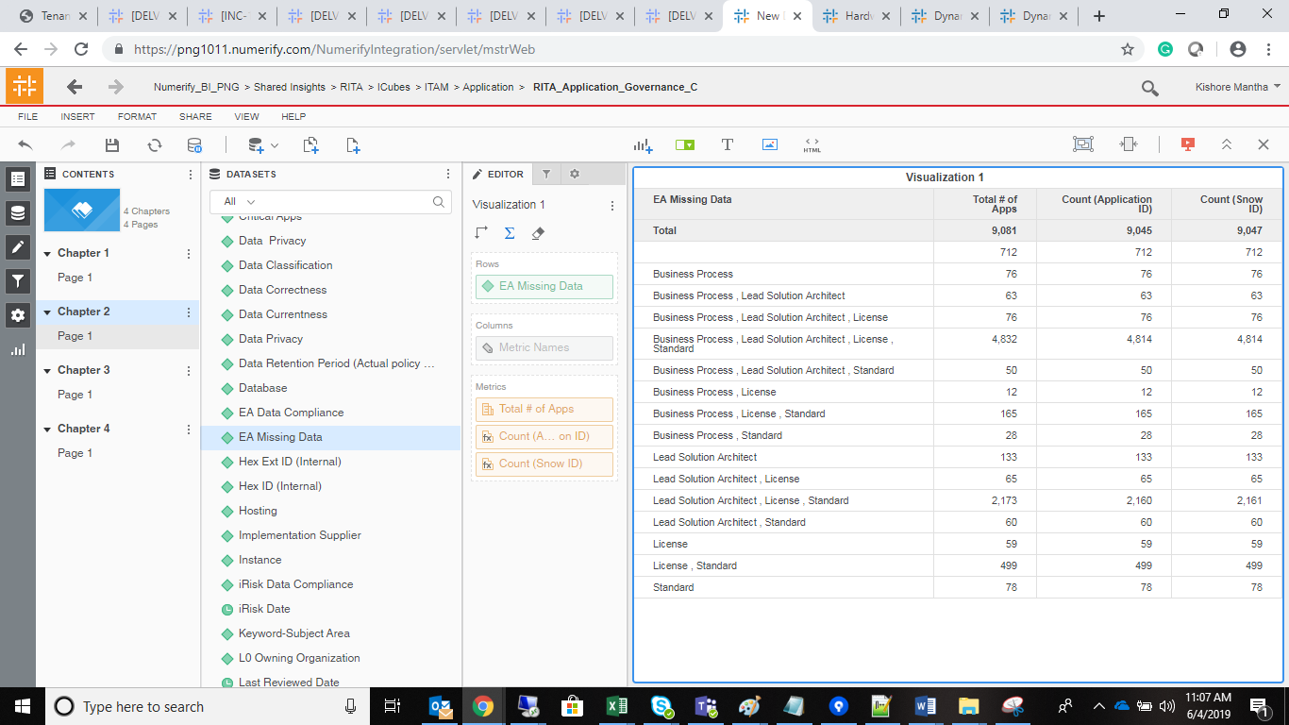

 | UNKNOWN

FROM ldb.f_rita_application_c_fact a UNION SELECT 'rita_application_c_key' AS rita_application_c_key, Count(1) as Row_Count FROM ldb.f_rita_application_c_fact a JOIN ldb.d_rita_application_c b ON a.rita_application_c_key=b.row_key WHERE a.rita_application_c_key IN ('-1') group by 1 UNION SELECT 'volume_of_records_all_c_key' AS volume_of_records_all_c_key, Count(1) as Row_Count FROM ldb.f_rita_application_c_fact a JOIN ldb.d_rita_application_c b ON a.rita_application_c_key=b.row_key JOIN ldb.d_lov_processing_activities_ot_volume_of_records_c c ON b.volume_of_records_all_c_key=c.row_key Where b.volume_of_records_all_c_key IN ('-1') group by 1 UNION SELECT 'application_total_3rd_party_with_access_c_key' AS volume_of_records_all_c_key, Count(1) as Row_Count FROM ldb.f_rita_application_c_fact a JOIN ldb.d_rita_application_c b ON a.rita_application_c_key=b.row_key JOIN ldb.d_lov_processing_activities_ot_third_party_users_c c ON b.application_total_3rd_party_with_access_c_key=c.row_key Where b.application_total_3rd_party_with_access_c_key IN ('-1') group by 1 UNION SELECT 'application_nature_c_key' AS TABLE_NAME, COUNT(1) AS ROW_COUNT FROM ldb.f_rita_application_c_fact a11 JOIN ldb.d_rita_application_c a12 ON a11.rita_application_c_key=a12.row_key JOIN ldb.d_lov_processing_activities_ot_repository_type_c a13 ON a12.application_nature_c_key=a13.row_key Where a12.application_nature_c_key IN ('-1') group by 1 UNION SELECT 'application_total_pg_personnel_with_access_c_key' AS TABLE_NAME, COUNT(1) AS ROW_COUNT FROM ldb.f_rita_application_c_fact a11 JOIN ldb.d_rita_application_c a12 ON a11.rita_application_c_key=a12.row_key JOIN ldb.d_lov_processing_activities_ot_pg_users_c a13 ON a12.application_total_pg_personnel_with_access_c_key=a13.row_key Where a12.application_total_pg_personnel_with_access_c_key IN ('-1') group by 1 UNION SELECT 'application_lifecycle_status_c_key' AS TABLE_NAME, COUNT(1) AS ROW_COUNT FROM ldb.f_rita_a |  |  | SELECT 'f_rita_application_c_fact' AS Table_Name, Count(1) as Row_Count FROM ldb.f_rita_application_c_fact a UNION SELECT 'rita_application_c_key' AS rita_application_c_key, Count(1) as Row_Count FROM ldb.f_rita_application_c_fact a JOIN ldb.d_rita_application_c b ON a.rita_application_c_key=b.row_key WHERE a.rita_application_c_key IN ('0') group by 1 UNION SELECT 'volume_of_records_all_c_key' AS volume_of_records_all_c_key, Count(1) as Row_Count FROM ldb.f_rita_application_c_fact a JOIN ldb.d_rita_application_c b ON a.rita_application_c_key=b.row_key JOIN ldb.d_lov_processing_activities_ot_volume_of_records_c c ON b.volume_of_records_all_c_key=c.row_key Where b.volume_of_records_all_c_key IN ('0') group by 1 UNION SELECT 'application_total_3rd_party_with_access_c_key' AS volume_of_records_all_c_key, Count(1) as Row_Count FROM ldb.f_rita_application_c_fact a JOIN ldb.d_rita_application_c b ON a.rita_application_c_key=b.row_key JOIN ldb.d_lov_processing_activities_ot_third_party_users_c c ON b.application_total_3rd_party_with_access_c_key=c.row_key Where b.application_total_3rd_party_with_access_c_key IN ('0') group by 1 UNION SELECT 'application_nature_c_key' AS TABLE_NAME, COUNT(1) AS ROW_COUNT FROM ldb.f_rita_application_c_fact a11 JOIN ldb.d_rita_application_c a12 ON a11.rita_application_c_key=a12.row_key JOIN ldb.d_lov_processing_activities_ot_repository_type_c a13 ON a12.application_nature_c_key=a13.row_key Where a12.application_nature_c_key IN ('0') group by 1 UNION SELECT 'application_total_pg_personnel_with_access_c_key' AS TABLE_NAME, COUNT(1) AS ROW_COUNT FROM ldb.f_rita_application_c_fact a11 JOIN ldb.d_rita_application_c a12 ON a11.rita_application_c_key=a12.row_key JOIN ldb.d_lov_processing_activities_ot_pg_users_c a13 ON a12.application_total_pg_personnel_with_access_c_key=a13.row_key Where a12.application_total_pg_personnel_with_access_c_key IN ('0') group by 1 UNION SELECT 'application_lifecycle_s | s

